D1
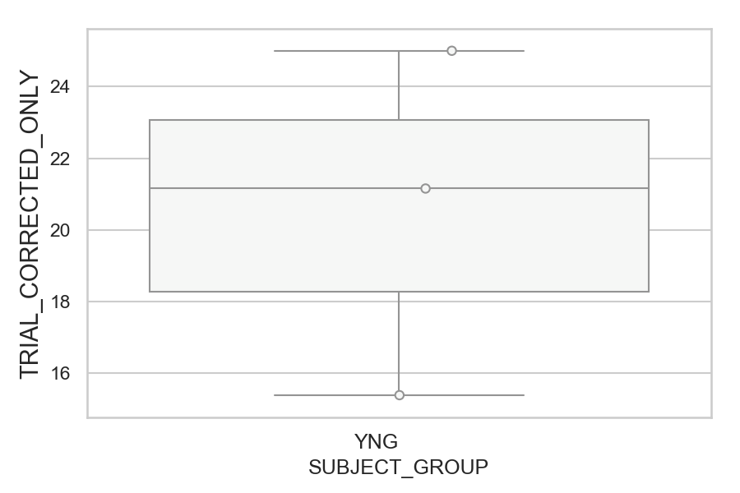
Total number of trials with corrected saccade (percentage)
SUBJECT_NAME | SUBJECT_GROUP | NUMBER_OF_CORRECTED_TRIALS | TOTAL_NUMBER_OF_TRIALS | SUBJECT_AGE | VALUE
AW002AF | YNG | 13 | 52 | 19 | 25
AW001CG | YNG | 11 | 52 | 19 | 21.153846154
MP1 | YNG | 8 | 52 |  | 15.384615385

D1 (types)
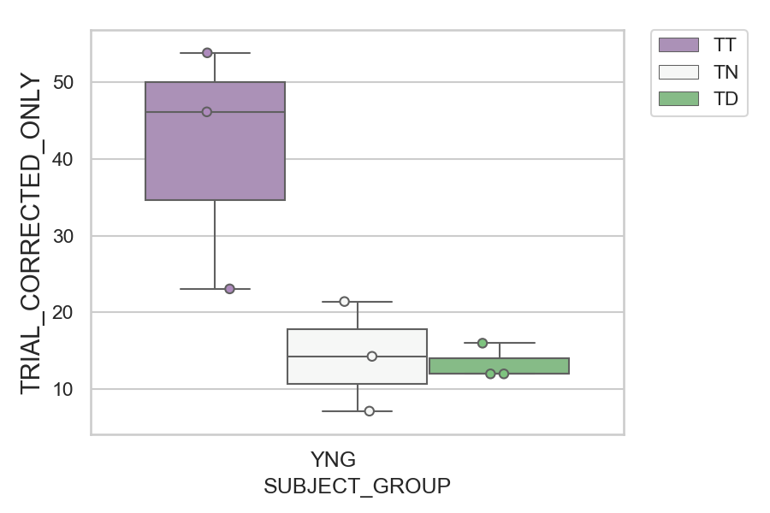
Total number of trials with corrected saccade (percentage)
SUBJECT_NAME | SUBJECT_GROUP | CONDITION_APPEARANCE | NUMBER_OF_CORRECTED_TRIALS | TOTAL_NUMBER_OF_TRIALS | SUBJECT_AGE | VALUE
AW002AF | YNG | TT | 7 | 13 | 19 | 53.846153846
AW001CG | YNG | TT | 6 | 13 | 19 | 46.153846154
MP1 | YNG | TT | 3 | 13 |  | 23.076923077
AW002AF | YNG | TN | 3 | 14 | 19 | 21.428571429
AW001CG | YNG | TD | 4 | 25 | 19 | 16
MP1 | YNG | TN | 2 | 14 |  | 14.285714286
AW002AF | YNG | TD | 3 | 25 | 19 | 12
MP1 | YNG | TD | 3 | 25 |  | 12
AW001CG | YNG | TN | 1 | 14 | 19 | 7.1428571429

D2
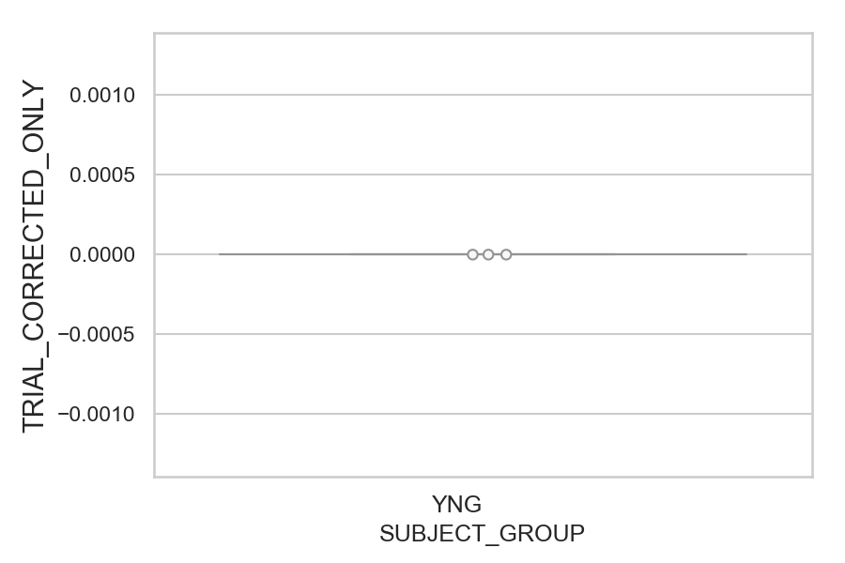
Total number of trials with corrected saccade (percentage)
SUBJECT_NAME | SUBJECT_GROUP | NUMBER_OF_CORRECTED_TRIALS | TOTAL_NUMBER_OF_TRIALS | SUBJECT_AGE | VALUE
AW001CG | YNG | 0 | 52 | 19 | 0
AW002AF | YNG | 0 | 52 | 19 | 0
MP1 | YNG | 0 | 52 |  | 0

D2 (types)
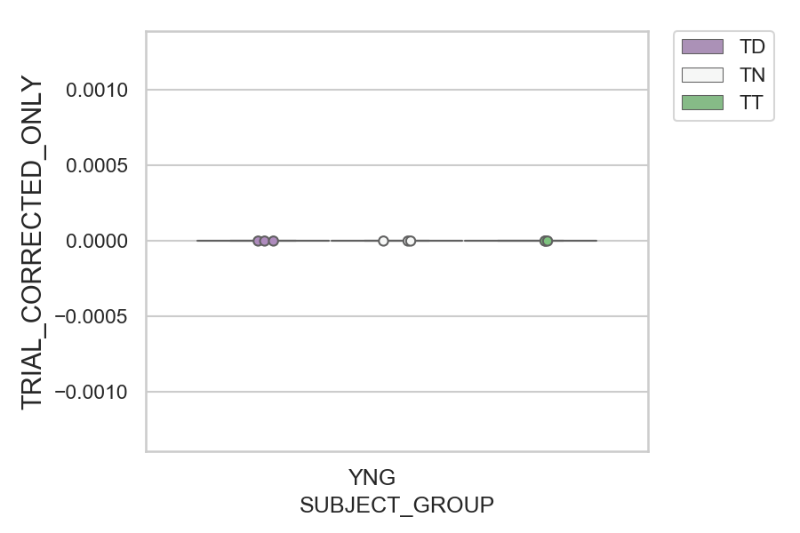
Total number of trials with corrected saccade (percentage)
SUBJECT_NAME | SUBJECT_GROUP | CONDITION_APPEARANCE | NUMBER_OF_CORRECTED_TRIALS | TOTAL_NUMBER_OF_TRIALS | SUBJECT_AGE | VALUE
AW001CG | YNG | TD | 0 | 25 | 19 | 0
AW001CG | YNG | TN | 0 | 14 | 19 | 0
AW001CG | YNG | TT | 0 | 13 | 19 | 0
AW002AF | YNG | TD | 0 | 25 | 19 | 0
AW002AF | YNG | TN | 0 | 14 | 19 | 0
AW002AF | YNG | TT | 0 | 13 | 19 | 0
MP1 | YNG | TD | 0 | 25 |  | 0
MP1 | YNG | TN | 0 | 14 |  | 0
MP1 | YNG | TT | 0 | 13 |  | 0

D2 (no D1 failed)

Total number of trials with corrected saccade (percentage)
SUBJECT_NAME | SUBJECT_GROUP | NUMBER_OF_CORRECTED_TRIALS | TOTAL_NUMBER_OF_TRIALS | SUBJECT_AGE | VALUE
AW001CG | YNG | 0 | 51 | 19 | 0
AW002AF | YNG | 0 | 52 | 19 | 0
MP1 | YNG | 0 | 50 |  | 0

D2 (no D1 failed) (types)
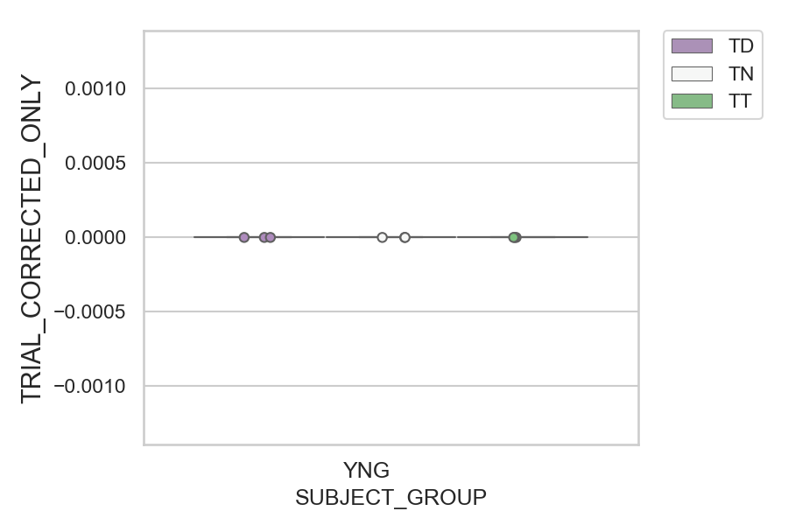
Total number of trials with corrected saccade (percentage)
SUBJECT_NAME | SUBJECT_GROUP | CONDITION_APPEARANCE | NUMBER_OF_CORRECTED_TRIALS | TOTAL_NUMBER_OF_TRIALS | SUBJECT_AGE | VALUE
AW001CG | YNG | TD | 0 | 25 | 19 | 0
AW001CG | YNG | TN | 0 | 14 | 19 | 0
AW001CG | YNG | TT | 0 | 12 | 19 | 0
AW002AF | YNG | TD | 0 | 25 | 19 | 0
AW002AF | YNG | TN | 0 | 14 | 19 | 0
AW002AF | YNG | TT | 0 | 13 | 19 | 0
MP1 | YNG | TD | 0 | 23 |  | 0
MP1 | YNG | TN | 0 | 14 |  | 0
MP1 | YNG | TT | 0 | 13 |  | 0

